Program Data Instructions
How to Run the Program Data Macro

1. Open the most recent Data Macro. This file contains the macro required to format the data but may not be the most recent version.

2. Login to TNA and select the "Reports" tab.
3. Select "Client Trials Extract".
4. Click "Select" next to "Select Clients" and choose your client.
5. DO NOT choose "Client Program Achievement List". Running this report will cause TNAC to crash!!!!!
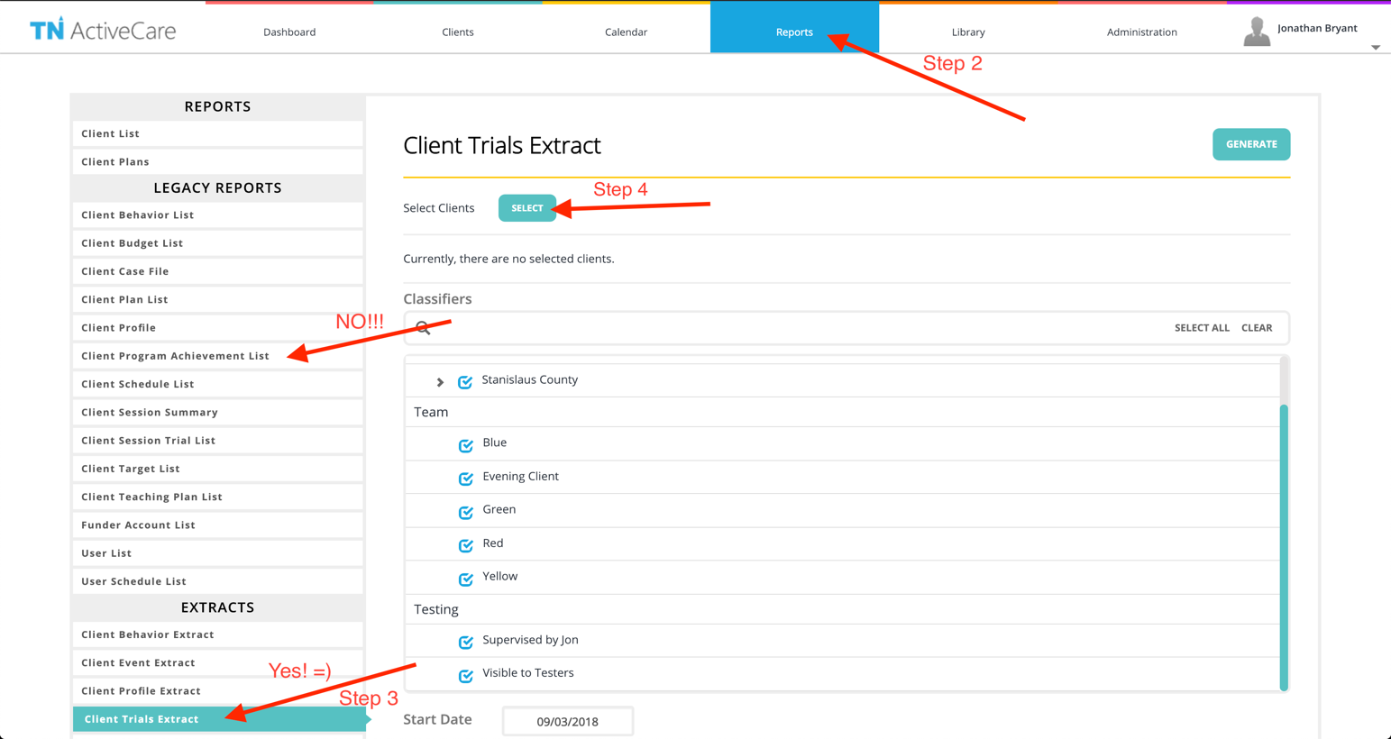

6. Scroll to the bottom of the screen and enter the Start and End dates for your report.
7. Click "Generate" on the top right corner of the page.
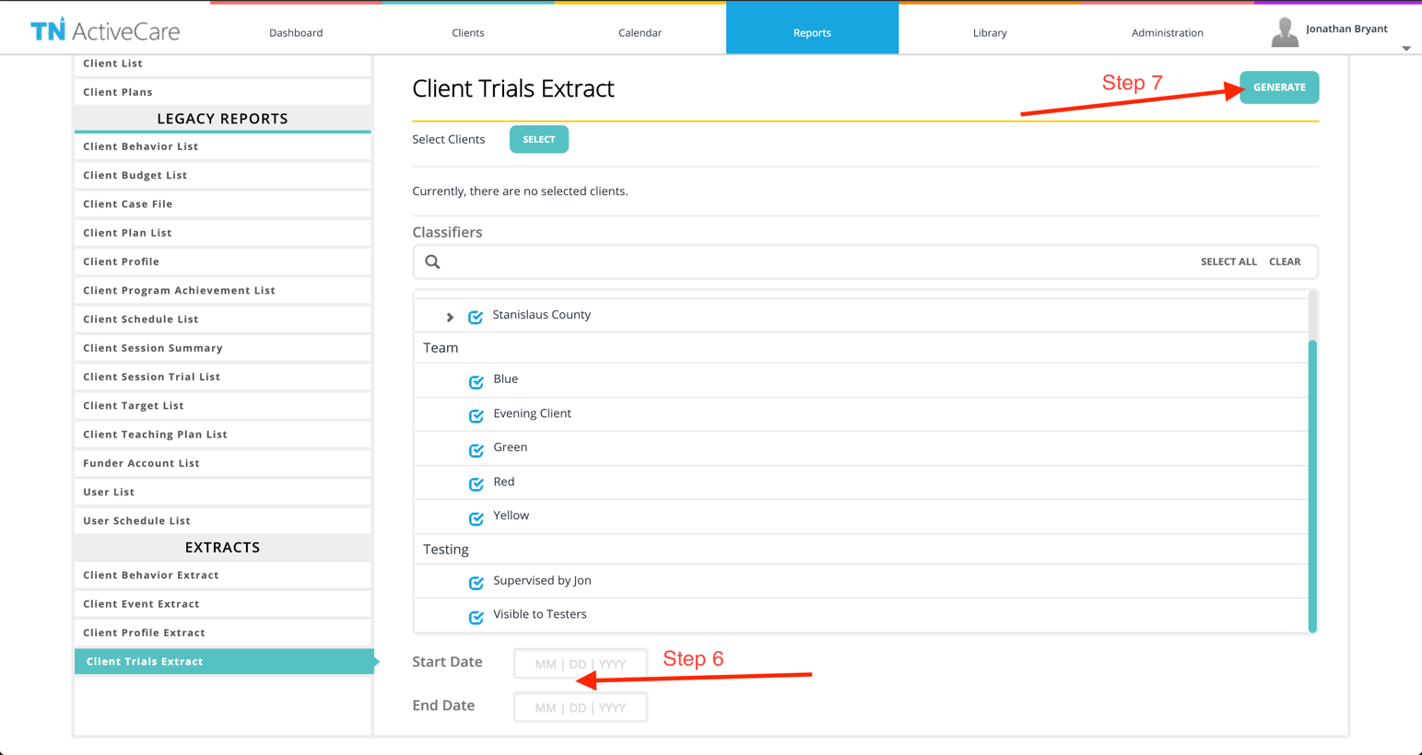

8. Open the file after it is finished downloading. If the file takes more than 60 seconds to download please let Jonathan know.
9. Be sure BOTH the raw data file AND the Program Data Macro file are open. Select the raw data file so that it is the active window on the screen.

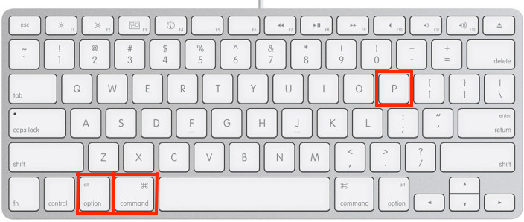
10. Press "Command + Option + P" on the keyboard. This step tells the macro to GO.

12. The file should process in 60-90 seconds. If process takes longer than 2 minutes it may be wise to restart your computer soon. Please let Jonathan know if the file still takes more than two minutes to process after rebooting.

Behavior Data Instructions
How to run the Behavior Data Macro

1. Login to TNA and select the "Reports" tab.
2. Scroll to the bottom and select "Client Behavior Extract".
3. Enter the Start and End dates for your report.
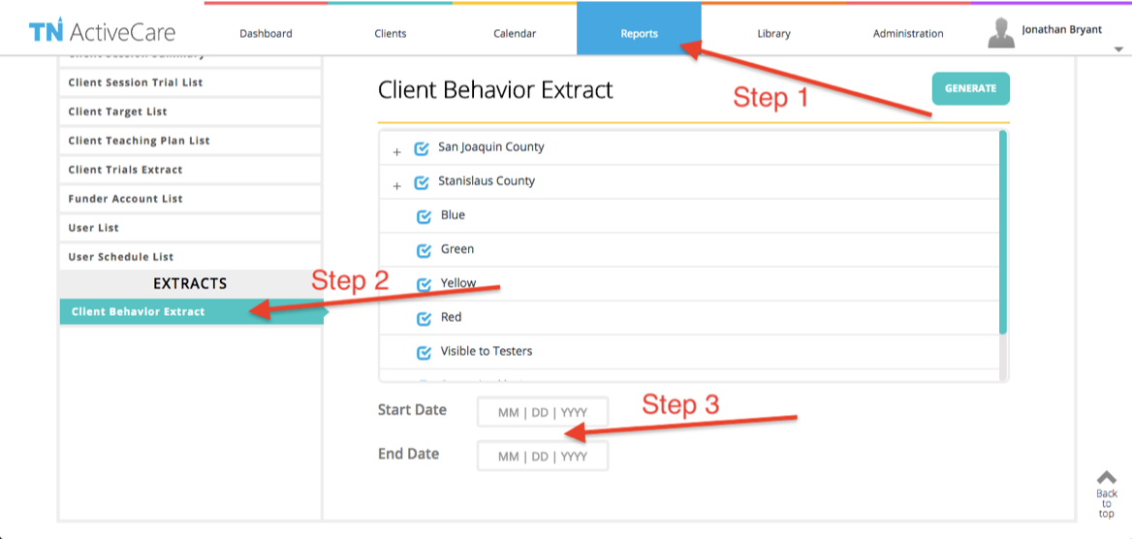

4. Scroll back to the top and click "Select" next to "Select Clients" and choose your client.
5. Click the "Generate" button in the top right corner of the screen.
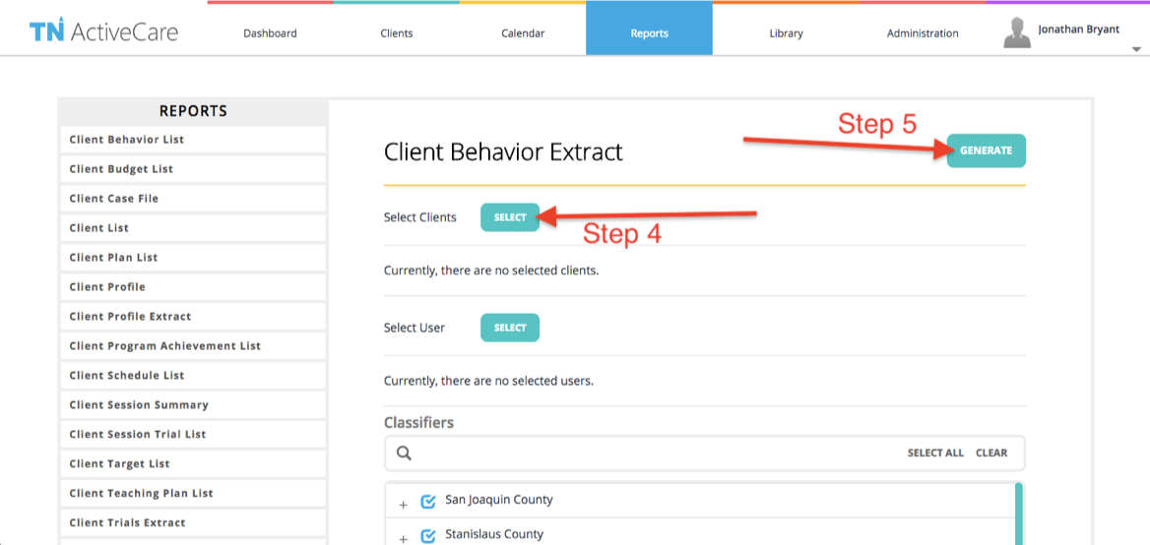

6. Open the file after it is finished downloading. If the file takes more than 60 seconds please let Jonathan know.
7. Be sure BOTH the raw data file AND the Program Data Macro file are open. Select the raw data file so that it is the active window on the screen.

8. Press "Command + Option + B" on the keyboard. This step tells the Behavior macro to GO.
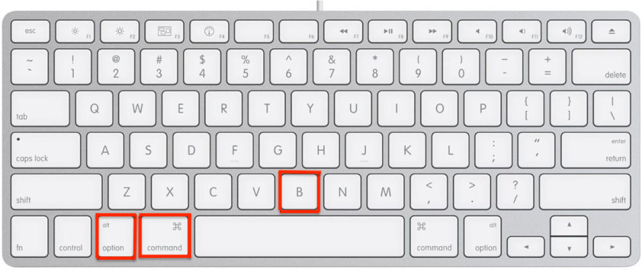

12. The file should process in 30-45 seconds. If process takes longer than 90 seconds it may be wise to restart your computer soon. Please let Jonathan know if the file still takes more than 90 seconds to process after rebooting.

